STM32F407VET6_4Layer_LayerStack
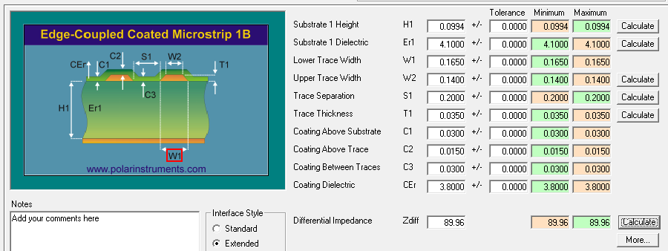
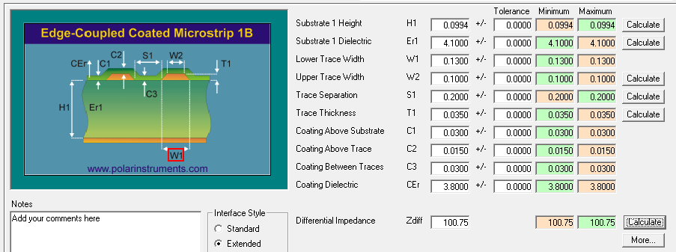

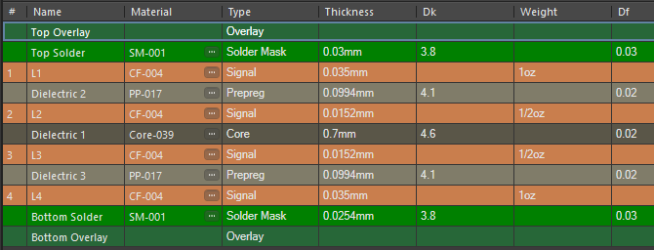
Board Layer Stack
Number | Name | Type | Manufacturer | Material | Process | Thickness (mm) | Weight (oz) | Dk | Df | Orientation | Copper Orientation
 | Top Overlay | Overlay
 | Top Solder | Solder Mask | Altium Designer | SM-001 |  | 0.03 |  | 3.8 | 0.03
1 | L1 | Signal | Altium Designer | CF-004 | ED | 0.035 | 1 |  |  | Top | Above
 | Dielectric 2 | Prepreg | Altium Designer | PP-017 |  | 0.0994 |  | 4.1 | 0.02
2 | Layer 2 | Signal | Altium Designer | CF-004 | ED | 0.0152 | 0.5 |  |  | Top | Above
 | Dielectric 1 | Core | Altium Designer | Core-039 |  | 0.7 |  | 4.6 | 0.02
3 | Layer 3 | Signal | Altium Designer | CF-004 | ED | 0.0152 | 0.5 |  |  | Top | Below
 | Dielectric 3 | Prepreg | Altium Designer | PP-017 |  | 0.0994 |  | 4.1 | 0.02
4 | Bottom Layer | Signal | Altium Designer | CF-004 | ED | 0.035 | 1 |  |  | Bottom | Below
 | Bottom Solder | Solder Mask | Altium Designer | SM-001 |  | 0.0254 |  | 3.8 | 0.03
 | Bottom Overlay | Overlay

No impedances

Via types
# | Name | Type | Layers | Stack
1 | Thru 1:4 | Thru | L1-Bottom Layer | Board Layer Stack

No back drills
LAYER1 |  |  |  |  |  |  |  |  |  |  |  | LAYER3

